Description
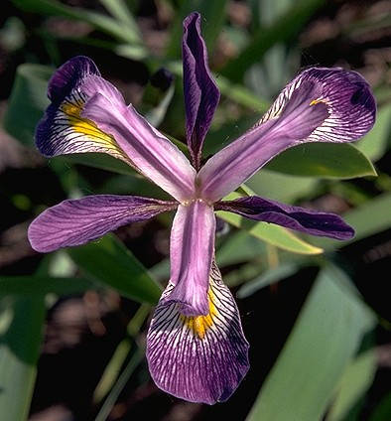
The Iris dataset was introduced by R. A. Fisher as an example for discriminant analysis. The data report four characteristics (sepal width, sepal length, petal width and petal length) of three species of Iris flower. The data originally appeared in Fisher, R. A. (1936). "The Use of Multiple Measurements in Axonomic Problems," Annals of Eugenics 7, 179-188. Species_No: Flower species as a code Species_Name: Species name Petal_Width: Petal Width Petal_Length: Petal Length Sepal_Width: Sepal Width Sepal_Length: Sepal Length All measurements are lengths in cms.

Iris Setosa | Iris Versicolor
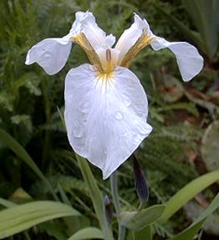
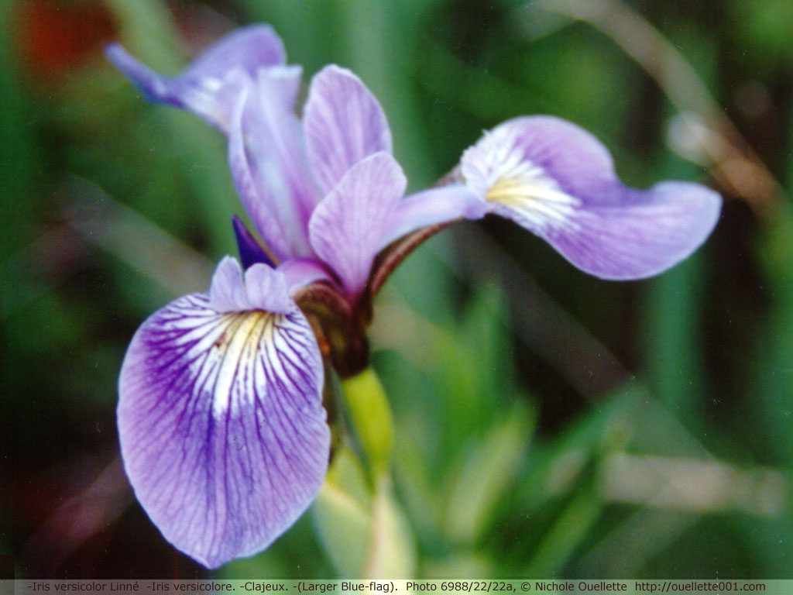

 | Iris Virginica

